Passenger LDVs
The following data are available only in chart form from the ICCT. Therefore, we estimate each
data point's value from the graph, so we can perform a curve fit in Excel.

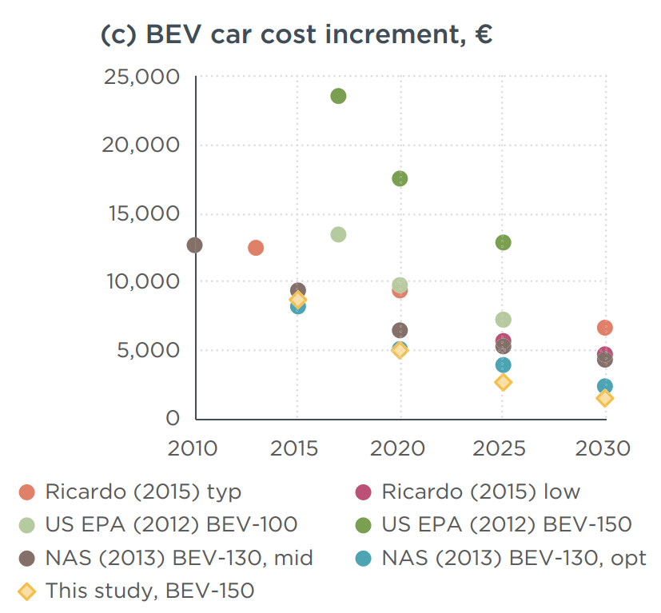

 | Study | Year | Cost Increment
 | Ricardo (2015) typ | 2013 | 12500
 | Ricardo (2015) typ | 2020 | 9500
 | Ricardo (2015) typ | 2030 | 700
 | Ricardo (2015) low | 2025 | 6000
 | Ricardo (2015) low | 2030 | 4800
 | U.S. EPA (2012) BEV-100 | 2017 | 13500
 | U.S. EPA (2012) BEV-100 | 2020 | 9500
 | U.S. EPA (2012) BEV-100 | 2025 | 7400
 | NAS (2013) BEV-130, mid | 2010 | 13000
 | NAS (2013) BEV-130, mid | 2015 | 9500
 | NAS (2013) BEV-130, mid | 2020 | 6500
 | NAS (2013) BEV-130, mid | 2025 | 5100
 | NAS (2013) BEV-130, mid | 2030 | 4500
 | NAS (2013) BEV-130, opt | 2015 | 8000
 | NAS (2013) BEV-130, opt | 2020 | 5000
 | NAS (2013) BEV-130, opt | 2025 | 4000
 | NAS (2013) BEV-130, opt | 2030 | 2500
 | This study, BEV-150 | 2015 | 8500
 | This study, BEV-150 | 2020 | 5000
 | This study, BEV-150 | 2025 | 2600
 | This study, BEV-150 | 2030 | 2000
 | U.S. EPA (2012) BEV-150 | 2017 | 23500 | Excluded - outlier
 | U.S. EPA (2012) BEV-150 | 2020 | 17500 | Excluded - outlier
 | U.S. EPA (2012) BEV-150 | 2025 | 13000 | Excluded - outlier

 | Trendline
 | coefficient 1 |  | 1.05083277E+82
 | coefficient 2 |  | -8.91470264E-02

 | Trendline | 2030 | 2679
 | Trendline | 2032 | 2241
 | Trendline | 2034 | 1875
 | Trendline | 2036 | 1569
 | Trendline | 2038 | 1313
 | Trendline | 2040 | 1098
 | Trendline | 2042 | 919
 | Trendline | 2044 | 769
 | Trendline | 2046 | 643
 | Trendline | 2048 | 538
 | Trendline | 2050 | 450

